Intro Notes
1. Current Squad -
Create a graph of the metrics you provided against each current Elgin player in that position.
Benchmark the current squad (the starters) against those metrics.
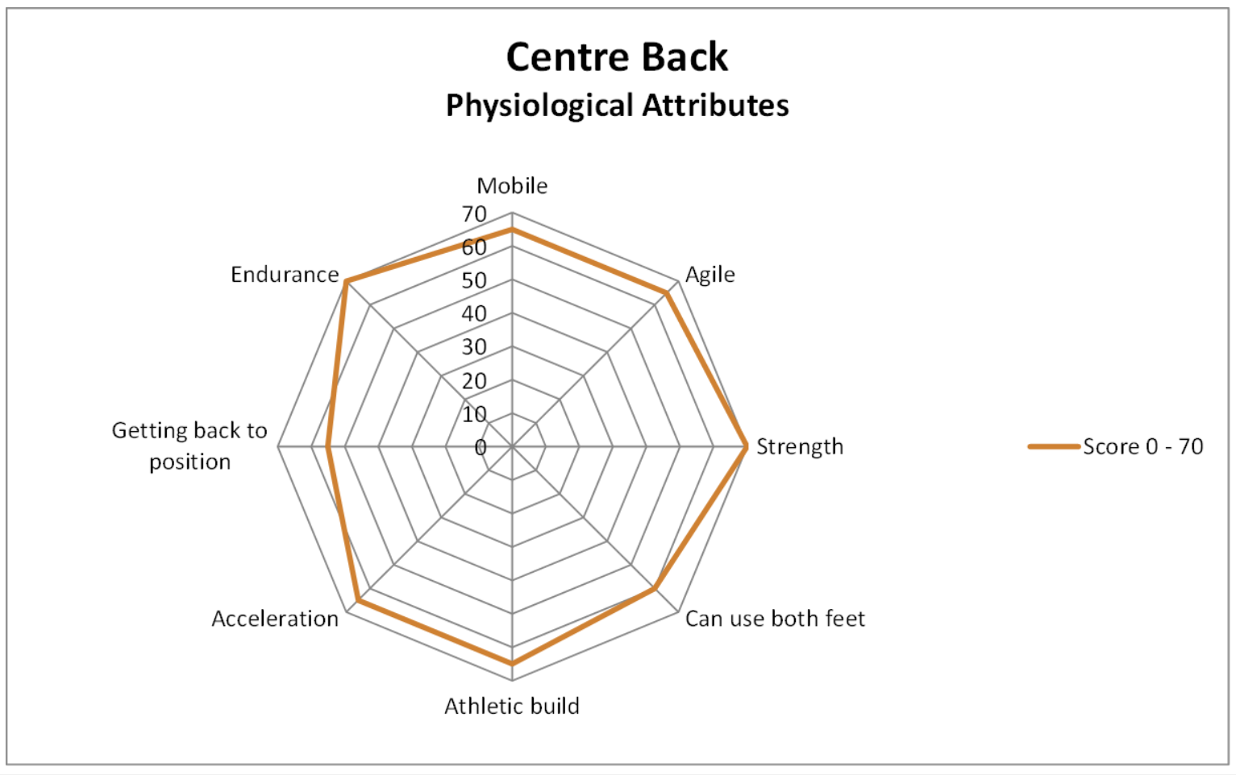
2. Scouting/Recruitment -
Use the metrics to assess the bottom half of L1 and below - use our Elgin benchmarks as the minimum range.
Save each search so we can re-run whenever we want.

If you could put together a graph for each of the Elgin squad, or at least the ones worth using as a benchmark.

GK - McHale
RB - Cooper
LB - Booth
CB - Dolzanski & Draper (Draper also plays CM, but more likely to play CM now)
CM - Gallagher & Camerron
CAM - Dingwall
Winger - Taylor, Golding & Dangana
CF - Jones & Golding (Golding switches between)

As for style in the graphs, you could blatantly rip off Darrens without stretching them as he did in the pdf. That's pretty much standard, I used the below style in my SFA Talent ID Level 2...

...but the block style is better.

For searching, initially probably against League Two players who are out of contract in the summer. I've already started the attached. I just haven't had full Wyscout to dig into video of many, though if you look at the POIL and report tracker you'll see i've done some work using various TV subscriptions or old downloads and made basics notes.

